machine_cost
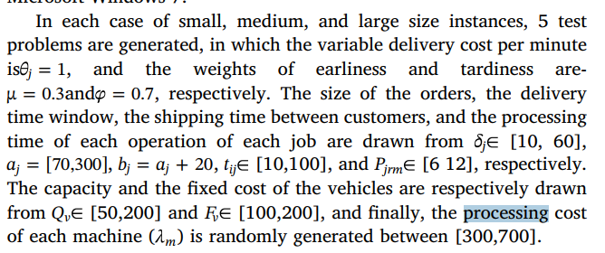
machine | processing cost
1 | 350
2 | 400

vehicle_cost
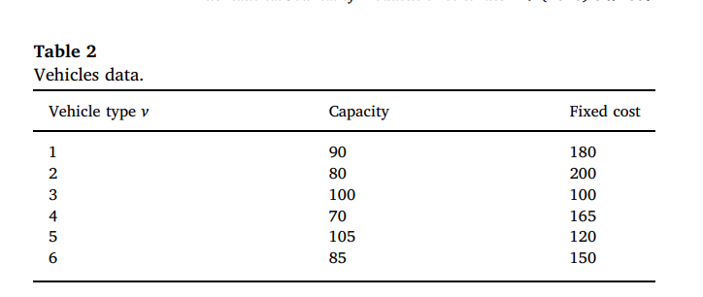
vehicle v | fixed_cost | variable_cost
1 | 180 | 1
2 | 200 | 1
3 | 100 | 1
4 | 165 | 1
5 | 120 | 1
6 | 150 | 1

